MR4
Template EU MR4 - Comparison of VaR estimates with gains/losses | Index
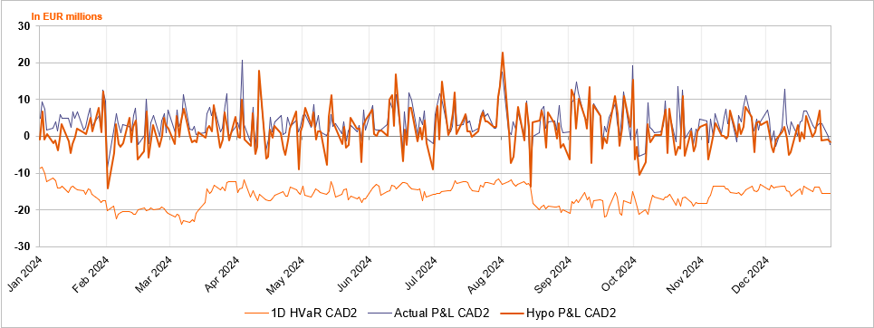

Accompanying narrative:
On an overall level in the last one year (1Q2024- 4Q2024) there was 1 hypothetical P&L outlier from 15-08-2024 caused by a loss on IR delta due to higher EUR and USD rates as well as FX PnL on JPY and USD.

