MR4
Template EU MR4 - Comparison of VaR estimates with gains/losses | Index
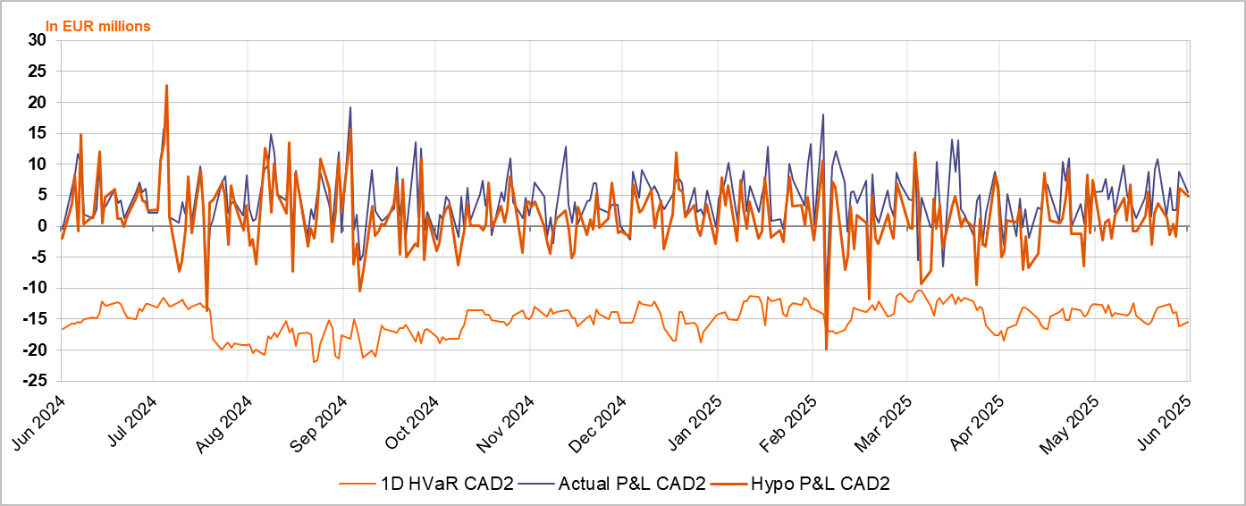

Accompanying narrative:
On an overall level in the last 12 months, there were 2 hypothetical P&L outliers from: 15-08-2024 caused by a loss on IR delta due to higher EUR and USD rates as well as FX PnL on JPY and USD- and 05-03-2025 caused by higher EUR rates (+25bps at 10Y tenor, -500k BPV) due to anticipated changes in German fiscal policy.

