MR4
Template EU MR4 - Comparison of VaR estimates with gains/losses | Index
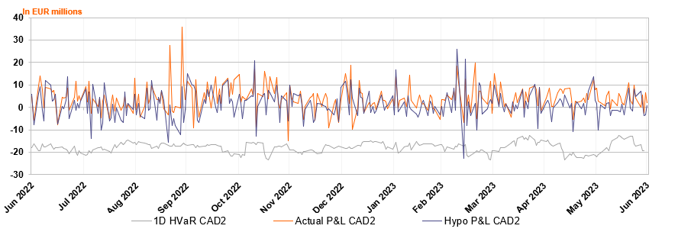

Accompanying narrative:
On an overall level in the last one year (3Q2022- 2Q2023) there were 1 outliers for hypothetical P&L and 0 outliers for actual P&L. The Hypo outlier occurred in March 2023 driven by results on several books due to increased volatility across different asset classes.

